Territory Map
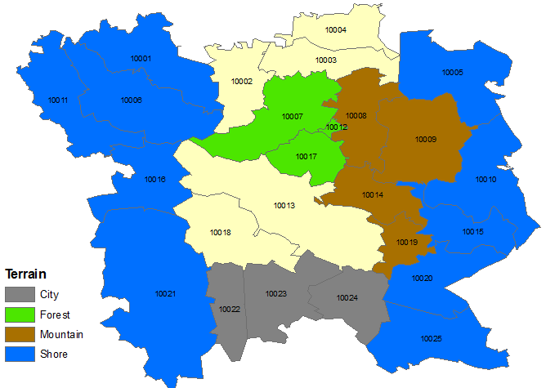
Zip Code | Territory
10001 | 6
10002 | 5
10003 | 5
10004 | 5
10005 | 7
10006 | 6
10007 | 3
10008 | 1
10009 | 1
10010 | 7
10011 | 6
10012 | 3
10013 | 2
10014 | 1
10015 | 7
10016 | 6
10017 | 3
10018 | 2
10019 | 1
10020 | 7
10021 | 6
10022 | 4
10023 | 4
10024 | 4
10025 | 7

